CTT
CTT Appendix 2012, webfigure 5 |  |  |  |  |  |  |  |  |  | CTT Appendix 2012, webfigure 5
Effects of major vascular event per 1.0 mmol/L reduction in LDL cholesterol in 22 statin vs control trials |  |  |  |  |  |  |  |  |  | original webfigure copy
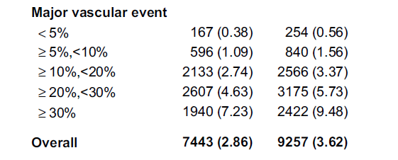
 | Verum |  |  | Control
Annual Risk | Event/year | % | All | Event/year | % | All | RRR | ARR | NNT
0% to 4% | 167 | 0.38 | 43947 | 254 | 0.56 | 45357 | 32.1 | 0.18 | 556
5% to 9% | 596 | 1.09 | 54679 | 840 | 1.56 | 53846 | 30.1 | 0.47 | 213
All | 763 | 0.77 | 98626 | 1094 | 1.10 | 99203 | 29.8 | 0.33 | 304
% events (MVE) in 5 years |  | 3.87 |  |  | 5.51 |  | 29.8 | 1.65 | 61
N events per 1000 in 5 years |  | 38.68 |  |  | 55.14
Avoided MVE in 5 years |  | 16.46
% events (MVE) in 10 years |  | 7.74 |  |  | 11.03 |  |  | 3.29 | 30
N in 1000 in 10 years |  | 77.36 |  |  | 110.28
Avoided MVE in 10 years |  | 32.92

perform your own calculations
www.docfind.ch/StatinEconimist.xlsx

